General Information
 | DOMESTIC TREASURY BONDS CHARACTERISTICS - SEPTEMBER 2025

 | TREASURY BOND ISSUANCE - LOCAL MARKET (2015 - 2025) USD millions | DOMESTIC TREASURY BOND HOLDINGS BY TYPE OF INVESTOR. SEPTEMBER 2025
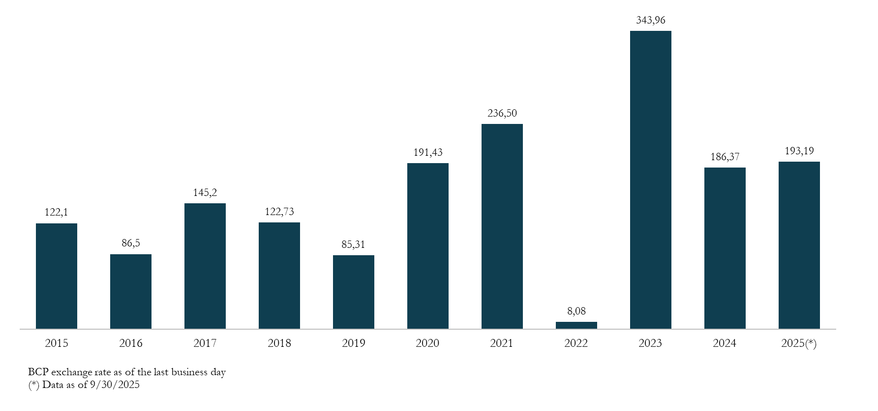
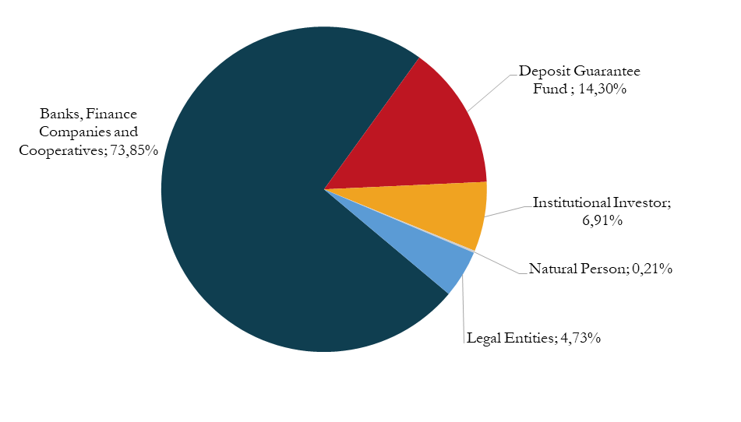

i

Saldo de Bonos del Tesoro como % de la Deuda Pública Total
 | 1

 | STOCK OF TREASURY BONDS AS A PERCENTAGE OF TOTAL PUBLIC DEBT | DOMESTIC TREASURY BOND HOLDINGS BY INVESTOR ORIGIN. SEPTEMBER 2025
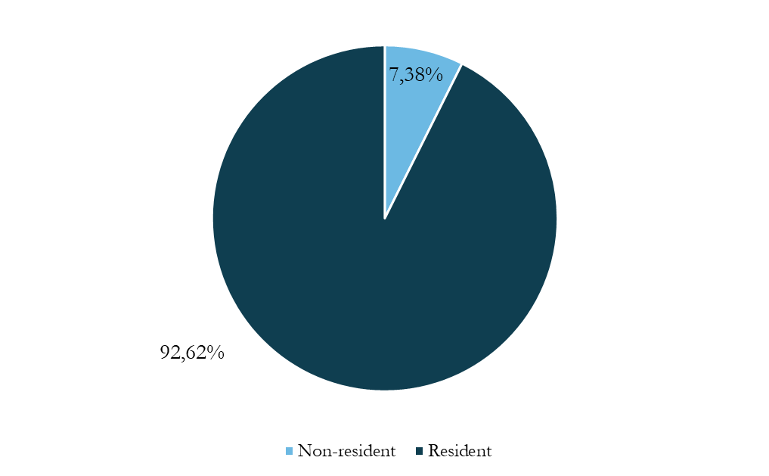

 | RATE EVOLUTION. 2022 - 2025 PERIOD | CUSTODY OF TREASURY BONDS

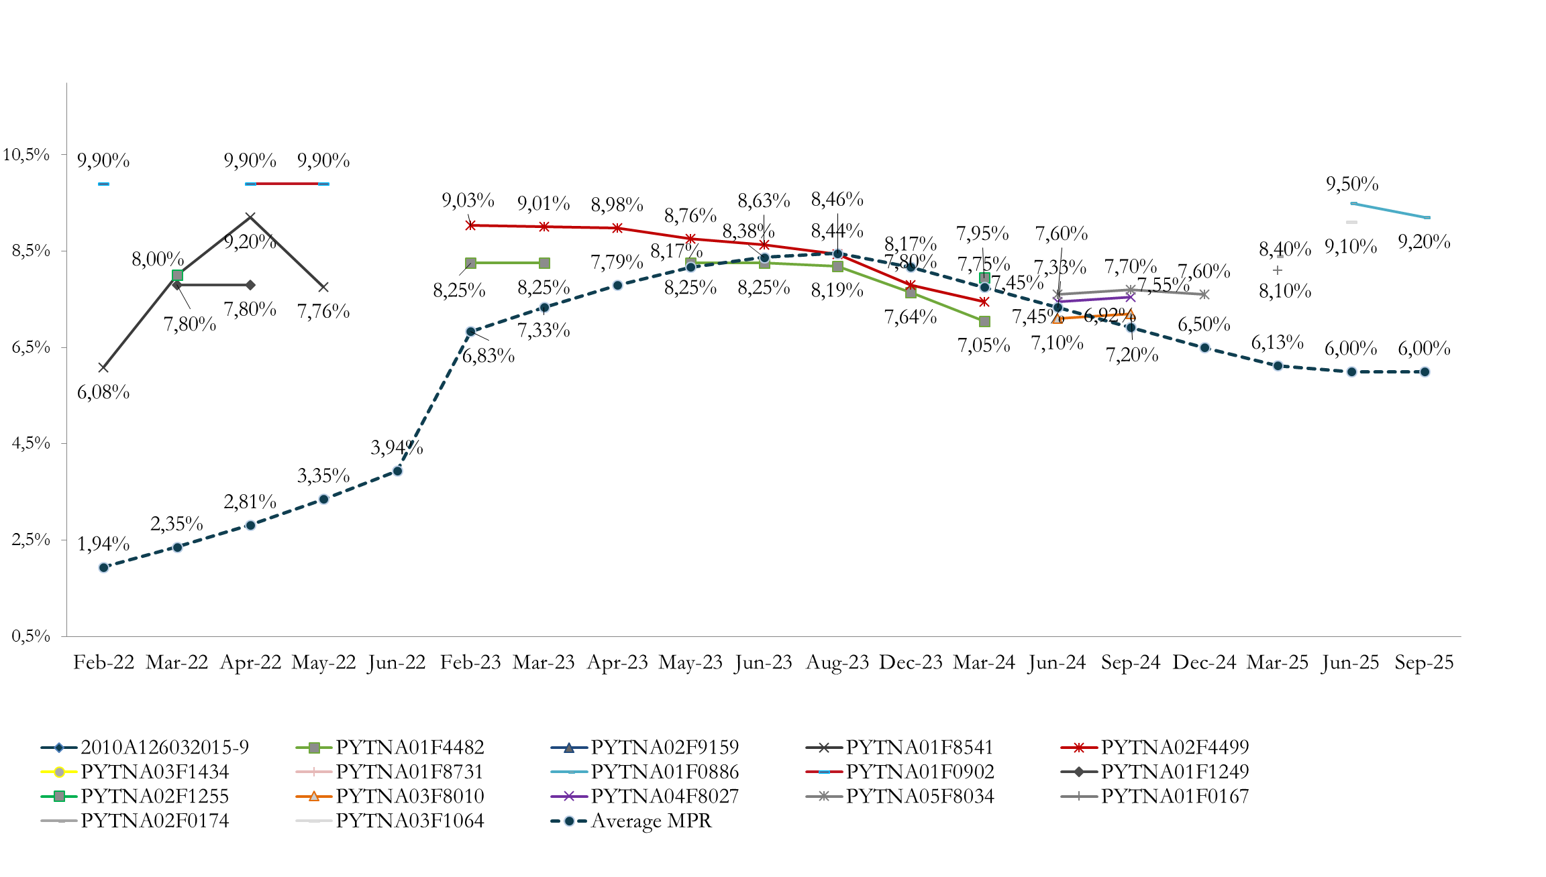


 | Source: Directorate-General for Debt Policy (MEF), Central Bank of Paraguay (BCP).

Amortization Profile
Amortization profile 2025 - 2028 (PYG millions)
 | 2025 | 2026 | 2027 | 2028 | 2029 | 2030
January | 0 | 0 | 0 | 0 | 0 | 0
February | 0 | 0 | 0 | 982,830 | 0 | 1,844,902
March | 0 | 0 | 0 | 0 | 0 | 0
April | 0 | 0 | 0 | 0 | 0 | 0
May | 0 | 0 | 0 | 0 | 0 | 0
June | 955,887 | 0 | 0 | 0 | 162,000 | 0
July | 0 | 0 | 0 | 0 | 0 | 0
August | 0 | 0 | 0 | 0 | 0 | 0
September | 0 | 0 | 0 | 0 | 0 | 0
October | 0 | 0 | 0 | 680,349 | 0 | 0
November | 0 | 0 | 0 | 0 | 0 | 0
December | 0 | 0 | 0 | 0 | 0 | 0
Total | 955,887 | 0 | 0 | 1,663,179 | 162,000 | 1,844,902

Treasury bonds - amortization profile 2025 - 2028 (pyg millions)

Source: Directorate-General for Debt Policy, MEF

