General Information
 | DOMESTIC TREASURY BONDS CHARACTERISTICS - JULY 2026

 | TREASURY BOND ISSUANCE - LOCAL MARKET (2016 - 2026) USD millions | DOMESTIC TREASURY BOND HOLDINGS BY TYPE OF INVESTOR
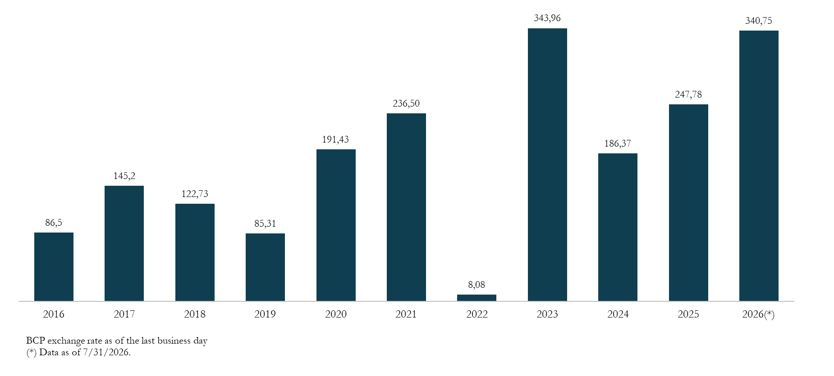
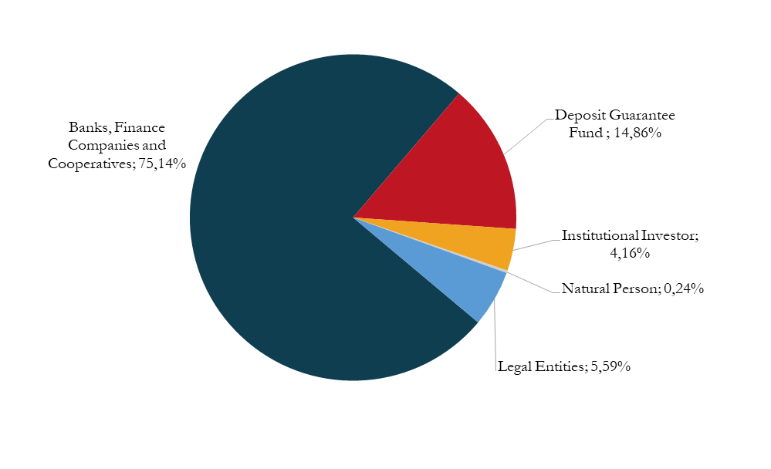

i

Saldo de Bonos del Tesoro como % de la Deuda Pública Total
 | 1

 | STOCK OF TREASURY BONDS AS A PERCENTAGE OF TOTAL PUBLIC DEBT | DOMESTIC TREASURY BOND HOLDINGS BY INVESTOR ORIGIN
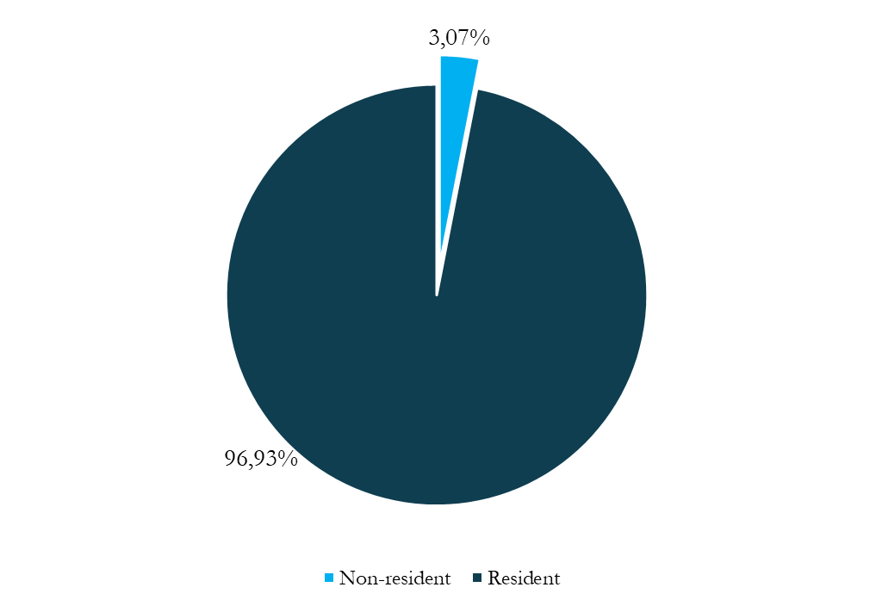

 | RATE EVOLUTION. 2022 - 2026 PERIOD | CUSTODY OF TREASURY BONDS

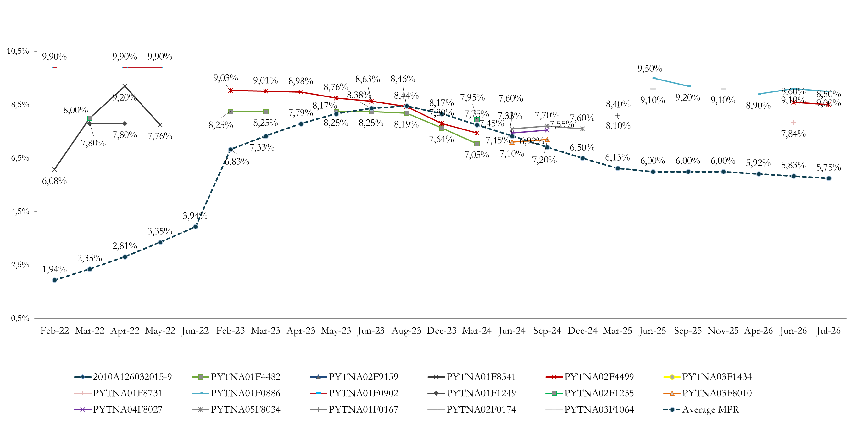
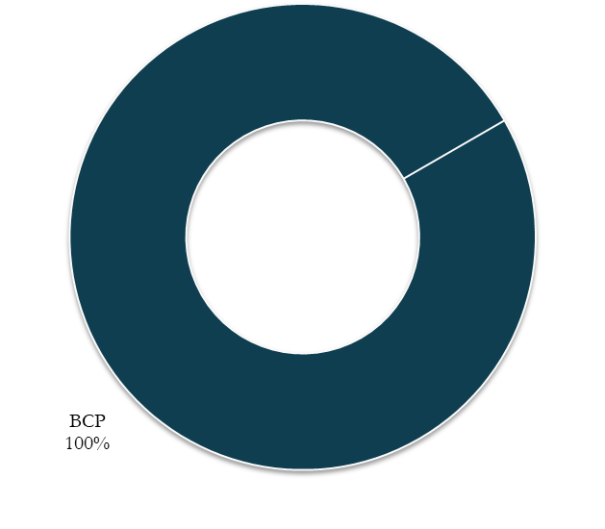

 | Source: Directorate-General for Debt Policy (MEF), Central Bank of Paraguay (BCP).

Amortization Profile
Amortization profile 2026 - 2031 (PYG millions)
 | 2026 | 2027 | 2028 | 2029 | 2030 | 2031
January | 0 | 0 | 0 | 0 | 0 | 0
February | 0 | 0 | 982,830 | 0 | 1,944,902 | 0
March | 0 | 0 | 0 | 0 | 0 | 415,954
April | 0 | 0 | 0 | 0 | 0 | 0
May | 0 | 0 | 0 | 0 | 0 | 0
June | 0 | 0 | 0 | 162,000 | 0 | 0
July | 0 | 0 | 0 | 0 | 0 | 0
August | 0 | 0 | 0 | 0 | 0 | 0
September | 0 | 0 | 0 | 0 | 0 | 0
October | 0 | 0 | 740,349 | 0 | 0 | 0
November | 0 | 0 | 0 | 0 | 0 | 0
December | 0 | 0 | 0 | 0 | 0 | 0
Total | 0 | 0 | 1,723,179 | 162,000 | 1,944,902 | 415,954

Treasury bonds - amortization profile 2026 - 2031 (pyg millions)

Source: Directorate-General for Debt Policy, MEF

